Sustainable_Fleet_Plan
 | Sustainable Fleet Plan Sheet

 | Back | Return to Introduction Page

 | Your fleet’s Sustainable Fleet Plan, as defined by CALSTART, is a roadmap that itemizes your fleet’s strategies and next steps to become more sustainable. The Sustainable Fleet Plan is a program requirement for all fleets participating in the Sustainable Fleets Accreditation Program. This plan can be flexible and need not be complex, but must at minimum identify the following:
Please type your Sustainable Fleet Plan here or attach a word document in your email submission:

 | ZEV Commitment: Your Fleet’s commitment to supporting and accelerating zero-emission vehicle adoption. Supporting and accelerating ZEV adoption is essential to reducing transportation emissions, mitigating climate change, improving air quality, and reducing energy costs and the use of fossil fuels. Immediate adoption of ZEVs is necessary to meet emissions reduction targets at state and national levels.
 | Goals: Your Fleet’s goals towards managing and reducing its net environmental impact through sustainable practices and zero-emission vehicle adoption. You cannot manage what you cannot measure, so goals should be quantifiable, with a clear and well-defined plan on how they will be met over time.
 | Sustainable Practices: Identify your fleet’s commitment and/or practice to the following Sustainable Fleets practices: - Efficient Driver Training: Verify your fleet provides or will establish training and education to drivers on methods to monitor and reduce fuel use, to increase efficiency, and to reward efficient driving. - Vehicle Fuel Tracking: Verify your fleet monitors and tracks fuel use across the fleet for tracking, monitoring, and optimization. - Idle Reduction: Verify or establish an idle-reduction policy for internal combustion engine vehicles, with an accompanying implementation and enforcement policy.
 | Review: Establish a process for annual review of the Sustainable Fleet Plan and policy
 | Verification: Sign and date the bottom of your fleet’s plan to affirm your fleet’s commitment

Continue Accreditation

ZEV Instructions
Read Me: This section will explain how to fill out the ZEV Baseline & Reporting Years tab
Back |  |  | Return to Introduction Page
ZEV Baseline & Reporting Years Sheet Instructions
In the ZEV Baseline and Reporting Years tab you will tell us the number of vehicles you have by inserting that number in to the appropriate cell. Make sure you identify the correct vehicle group for your vehicles, and enter the appropriate number under that group box.
Two sections will be labeled "Baseline" and "Reporting." The Baseline year is the earliest date you started collecting data (but cannot be earlier than calendar year 2019). The Reporting year is the year of your most recent data. For example, if you submit 2019 data in 2022, then 2019 will be your Baseline year and 2022 will be your Reporting year.

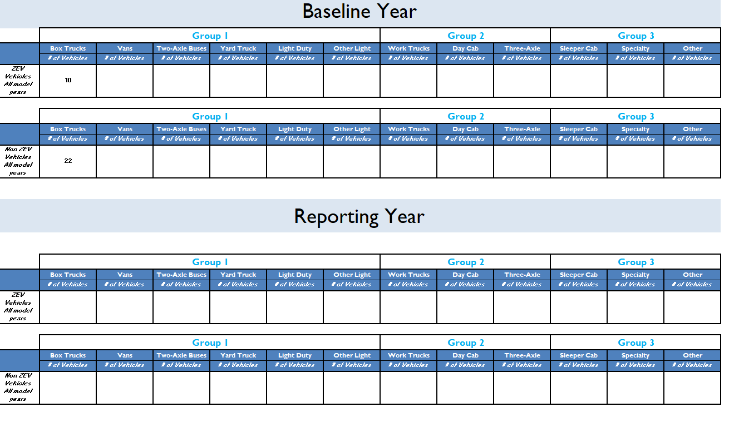
 |  |  |  | Baseline Data (Example: 2019)

 |  |  |  | Reporting Data (Example: 2022)

Example: Let's assume you have collected data on Box Trucks from 2020 through 2022. From that data, you want to report 22 Diesel Box Trucks and 10 Electric Box Trucks for 2020. For 2022 you want to report 20 Diesel Box Trucks and 12 Electric Box Trucks. Here are the steps you need to take to fill out the form:
1. Prepare your baseline year vehicle data.
2. Sort your vehicle data by zero-emission (battery electric or fuel cell) or internal combustion (diesel, gasoline, hybrid, etc.)

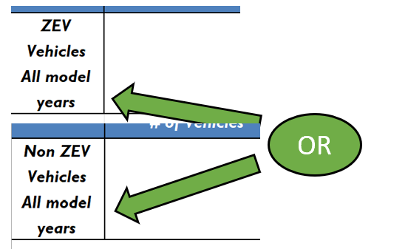
 | In this example, you would put your 2020 data in the rows just under "Baseline Year." The 10 Electric Box Trucks would go in the ZEV Row; the 22 Diesel Box Trucks in the Non-ZEV row.

3. Identify your vehicles' categories. The categories are sorted by the Sustainable Fleets ZEV Goals by Groups 1, 2, and 3.
 | 4. Identify the number of vehicles within your fleet for each vehicle category (Box Truck, Other, Light Duty Package, Three-Axle Buses, etc.) for both ZEV and Non-ZEV models.

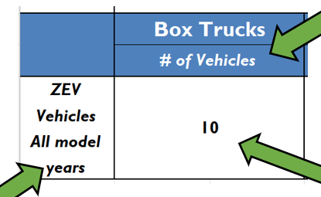
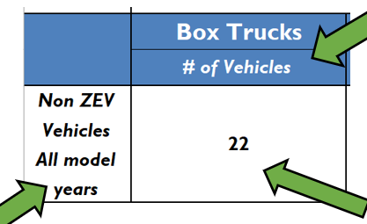

 |  | 5. Prepare your Reporting Year data. Repeat steps 2-4 using your Reporting Year data.

In this example your Reporting Year data is from 2022. Fill out the form sorting your ZEV and Non-ZEV data. Your 12 Electric Box Trucks would go in the Reporting Year ZEV Box Trucks box. Your 20 Diesel Box Trucks would go in the Baseline Year Non-ZEV Box Trucks box.

12
20

Continue Accreditation

ZEV Data
Tip: Find instructions for this form in the ZEV Instructions tab.
Baseline Year

 | Group 1 |  |  |  |  |  | Group 2 |  |  | Group 3
 | Box Trucks | Vans | Two-Axle Buses | Yard Truck | Light Duty Package Delivery Vehicle | Other Light Duty | Work Trucks | Day Cab Tractors | Three-Axle Buses | Sleeper Cab | Specialty Vehciles | Other
 | # of Vehicles | # of Vehicles | # of Vehicles | # of Vehicles | # of Vehicles | # of Vehicles | # of Vehicles | # of Vehicles | # of Vehicles | # of Vehicles | # of Vehicles | # of Vehicles
ZEV Vehicles All model years |  |  |  | 27 |  |  |  | 10
Ordered Vehicles |  |  |  |  |  |  |  | 2

 | Group 1 |  |  |  |  |  | Group 2 |  |  | Group 3
 | Box Trucks | Vans | Two-Axle Buses | Yard Truck | Light Duty Package Delivery Vehicle | Other Light Duty | Work Trucks | Day Cab Tractors | Three-Axle Buses | Sleeper Cab | Specialty Vehciles | Other
 | # of Vehicles | # of Vehicles | # of Vehicles | # of Vehicles | # of Vehicles | # of Vehicles | # of Vehicles | # of Vehicles | # of Vehicles | # of Vehicles | # of Vehicles | # of Vehicles
Non ZEV Vehicles All model years |  |  |  | 535 |  |  |  | 1764 |  | 1352
Ordered Vehicles |  |  |  | 33 |  |  |  | 255 |  | 177

Reporting Year

 | Group 1 |  |  |  |  |  | Group 2 |  |  | Group 3
 | Box Trucks | Vans | Two-Axle Buses | Yard Truck | Light Duty Package Delivery Vehicle | Other Light Duty | Work Trucks | Day Cab Tractors | Three-Axle Buses | Sleeper Cab | Specialty Vehciles | Other
 | # of Vehicles | # of Vehicles | # of Vehicles | # of Vehicles | # of Vehicles | # of Vehicles | # of Vehicles | # of Vehicles | # of Vehicles | # of Vehicles | # of Vehicles | # of Vehicles
ZEV Vehicles All model years |  |  |  | 27 |  |  |  | 12
Ordered Vehicles |  |  |  |  |  |  |  | 1

 | Group 1 |  |  |  |  |  | Group 2 |  |  | Group 3
 | Box Trucks | Vans | Two-Axle Buses | Yard Truck | Light Duty Package Delivery Vehicle | Other Light Duty | Work Trucks | Day Cab Tractors | Three-Axle Buses | Sleeper Cab | Specialty Vehciles | Other
 | # of Vehicles | # of Vehicles | # of Vehicles | # of Vehicles | # of Vehicles | # of Vehicles | # of Vehicles | # of Vehicles | # of Vehicles | # of Vehicles | # of Vehicles | # of Vehicles
Non ZEV Vehicles All model years |  |  |  | 129 |  |  |  | 1938 |  | 1405
Ordered Vehicles |  |  |  | 18 |  |  |  | 372 |  | 141

 | Continue Accreditation

Benchmark Instructions
Introduction: This section will explain how to fill out the ZEV Baseline & Reporting Years, Baseline_Year_Full, and Reporting_Year_Full sheets in detail.
Benchark_Baseline and Benchmark_Reporting Tab Instructions
Fill out the "ZEV Baseline & Reporting Years" sheet as well as the "Baseline_Year_Full" and "Reporting_Year_Full" sheets.

On these sheets, you'll be asked to report how many vehicles you have by fuel type, and the mileage recorded on those vehicles. Like the ZEV data, you will be recording both Baseline and Reporting year data, but on different tabs Benchmark_Baseline and Benchmark_Reporting.

Example: Let's assume you have collected data on Box Trucks from 2020 through 2022. From that data, you want to report 22 Diesel Box Trucks and 10 Electric Box Trucks for 2020. For 2022 you want to report 20 Diesel Box Trucks and 12 Electric Box Trucks. Here are the steps you need to take to fill out the form:
1. Find the appropriate sheet for the Baseline and Reporting years. 2. Find the row associated with the fuel your vehicle uses (for example, if it runs on diesel, scroll down until you find the row marked "Diesel All Model Years"). 3. Find the proper group and vehicle type (in this case Group 1, Box Trucks). 4. Record the number of vehicles and the mileage.

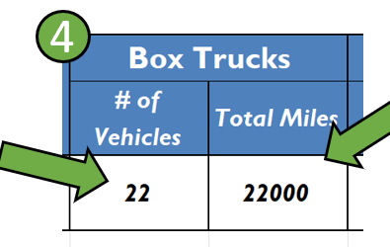

Don't forget to input total mileage for your vehicles!

NOTE: To find the appropriate row for electric vehicles, scroll down until you find the row marked BEV (Battery Electric Vehicle).

5. Repeat Steps 1 - 4 for all your other vehicles!

Continue Accreditation

